Module 11
Main

 | read through and attempt activity number 1

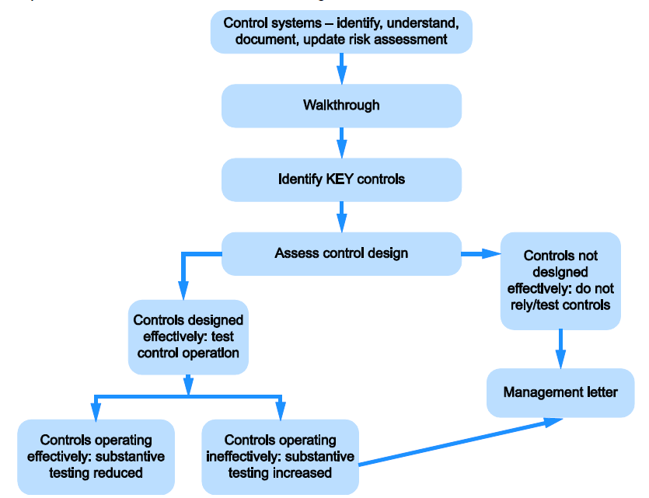

 | Need to document our understanding of
 | Control environment
 | entity's risk assesment process
 | entity's process to monitor the system of internal control
 | the information system and communication
 | control activities

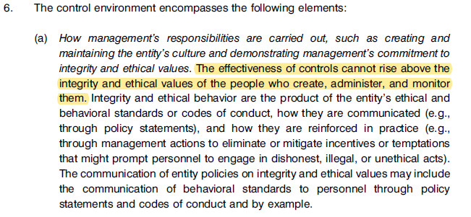

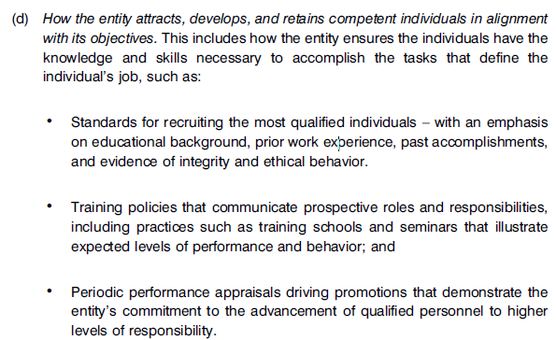

 | ITGC

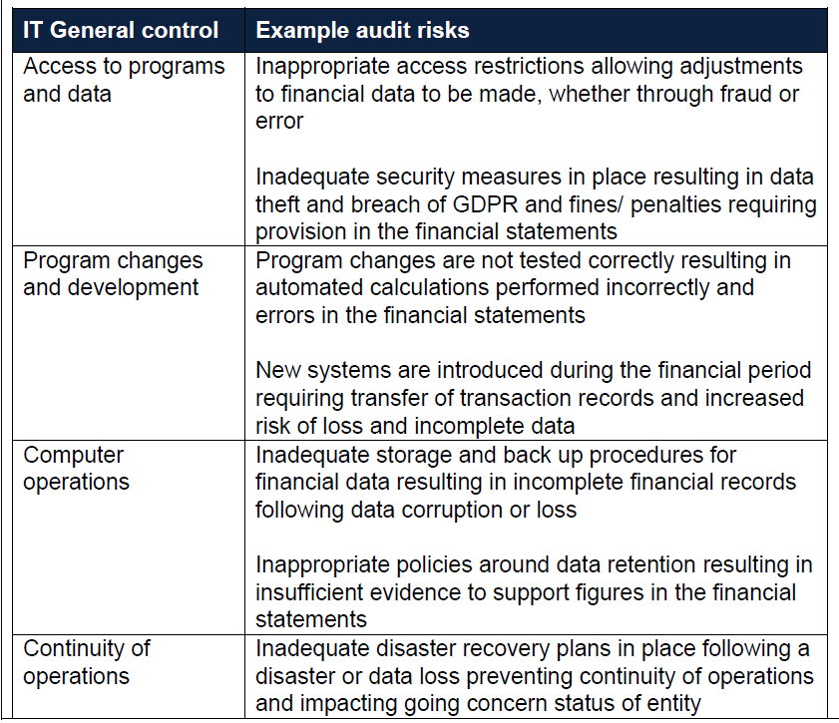

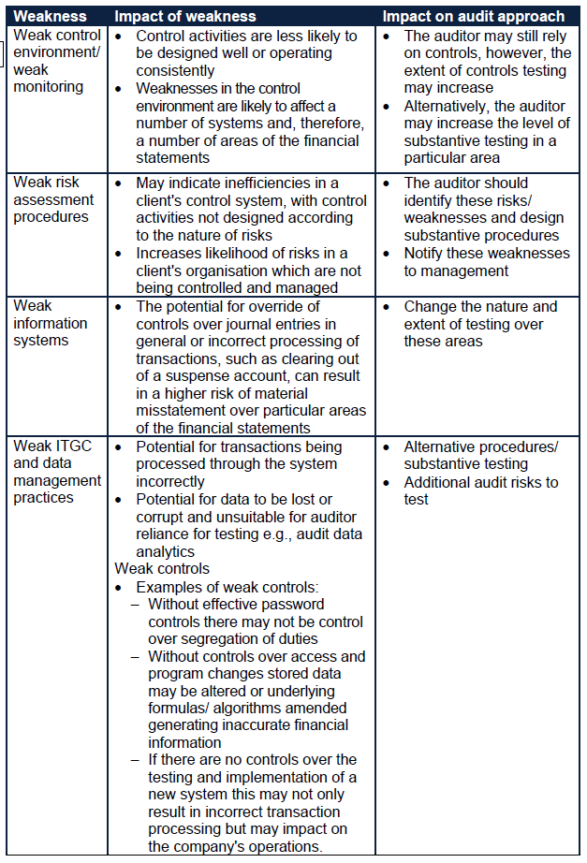

 | Step 1: Assessing the design of the controls
 | Step 2: Testing whether the controls operated effectively throughout the year

 | good elements of an effective control
 | regular and frequent performance
 | appropriate staff member
 | review and clearance of errors
 | management review at appropriate level

 | key controls are once with impact the financial reporting. Any control which will stop accounts being materially misstated
 | Contols needs to be consistently applied. Needs to be designed properly and more importantly being operated correctly by staff]
 | we need to test it is actaully being operated and perfordm
 | cannot take mgmt's word
 | if there are deficiencies in controls then these are reported to TCWG.

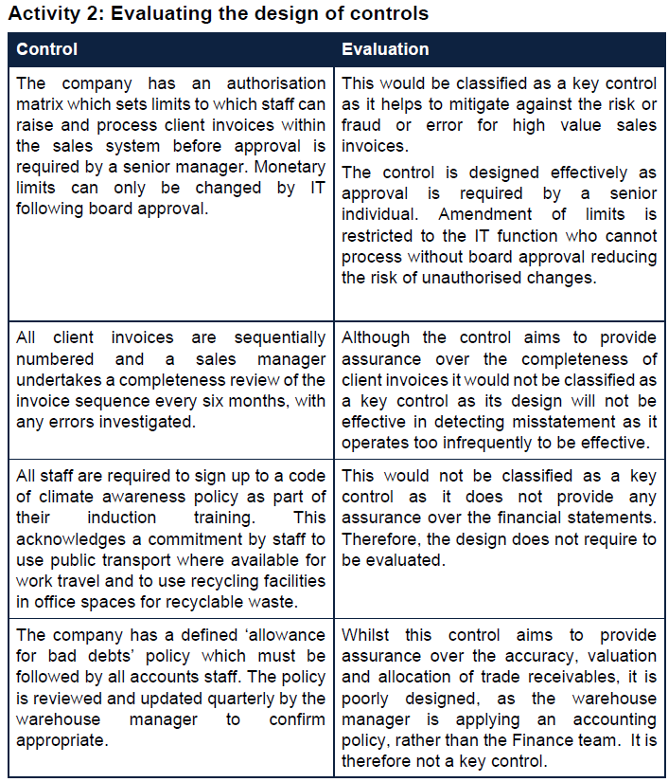

 | Test | reliability | marks
 | enqurie | low | 0.5
 | inspect | high | 1
 | observe | medium | 0.5
 | reperfrom | high | 1

 | Testing techniques
 | to test the existence and effectiveness of the internal control system at:
 | >mitigating risks
 | >Preventing material misstatements
 | >detecting and correctoin material misstatements throughou the period

 | Computer assisted audit techniques and ausit data analytics

 | Activity 3 | reliability | marks
 | Observe | low | 0.5
 | Inspect | high | 1
 | Enquire | low | 0.5
 | Reperform | high | 1
 | Consider use of CAAT and ADA

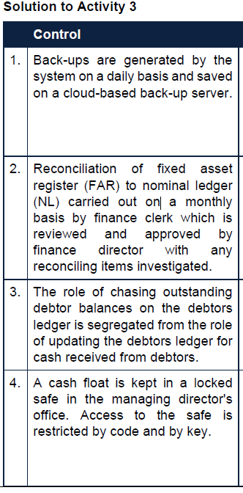
 |  |  |  | Test of control
 |  |  |  | observe and inspect this happening
 |  |  |  | inspect a log of all the backs up and ensure there is an entry on each day
 |  |  |  | observe the control owner performing the back-up
 |  |  |  | Observe a restoration from back up data to ensure is is accesible and complete
 |  |  |  | inspect an exception log. Enquire and observe the resolution process for exceptions

 |  |  |  | reperfrom the reconciliation and check reconciling items were addresses appropriately
 |  |  |  | sample to see preparere/reviewer control is operating effectively
 |  |  |  | inspect key reconciliation - ie - year end
 |  |  |  | enquire about any excpetions and observe and inspect the follow up procedure to clear non-reconciling items

 |  |  |  | Inspect changes to the debtors ledger to see which users are performing the updates
 |  |  |  | cross check this with user responsible for chasing debts.
 |  |  |  | ensure segregation of duties contol is being effectively implemented
 |  |  |  | enquire of staff's knowledge of different rols and knowledge that the roles must not be shared

 |  |  |  | ask other staff if they know the code
 |  |  |  | enquitr as to who is authorised to access the safe
 |  |  |  | observe the safe is locked and where it is supposed to be. And that is requires a passcode to opne

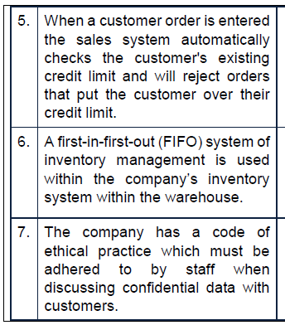
 |  |  |  | dummy account and reperform this
 |  |  |  | inspect the reports to confirm the sales order has been rejected and for the correct reason - above credit limit

 |  |  |  | Perform audit data analytics procedures to analyse despatch dates compared to manufacture dates and dentify any unusual delays or items being despactech out with expected timetables

 |  |  |  | recalculation

 |  |  |  | inspect a copy of the policy document confirming is is reasobable and easily available to staff
 |  |  |  | enquire with staff to confirm they are aware of the policy and apply as par tof their work activities
 |  |  |  | Inspect that signatures for this are up to date and staff are up to date with relevant training regarding data security and GDPR

 | When asked to identify points. Do that then evaluate.
 | when not asked. Evaluate all of the points

 | 1
 | identify the controls which exist in the specific scenario
 | some questions ak you to identify the key contols first. Toehrwise assume all controls in th escenario can be tested

 | consider the number of points relevant ot the marks available
 | for a sufficiently detailed inspection or reperformance procdures a full mask is available
 | for less reliable procedures (enquiry, observation) a half mark is available

 | indentify an appropriate mix of tests of control for each control to be tested
 | for most controls a single proicedure would be appropriate
 | some controls, such as reconciliations may lend themsleves to additional tests

 | clearly write your test of controls

 | Start the chat with the procedure we are performing
 | enquire
 | observe
 | inspect
 | reperform

 | don’t write the control which should be in place but what we are testing and what we are looking for

 | Activity 4
 | not asked to identify controls so we need to look at all of them and design test for the controls

 | Preparer reviewer control on the timesheets before approval | inspect
 | completeness check based on sequential ordering | observe and enquir about exceptions
 | Sign-off on exception report | reperformance of a sample of exceptions
 | BACS control | reconcile the BACS input to the output to make sure no errors in the processing. reconcile the bank accounts to the BACS
 | prepare/reveiwer on BACS payroll rec. | sample to check signoff control. Reperform to ensure eceptions addressed appropriately

 | inspect sample of timesheets
 | inspect sequential filing of timesheets and lists. Investigate through enquiry into any exceptions
 | inspect exception reports to confirm the [payroll mgr. has reviewed these and non-submissions have been investigated and resolved
 | re--perform sample of wage calculations to ensure accuracy of automatic wage calculations, investigating any inaccurate calculations
 | observe the weekly payroll process to ensure payslips, BACS documents and payroll listing are automatically generated
 | Inspect a sample of wages, PAYE and INC reconciliation to confirm performed on a weekly basis and signed as evidence of review by the payroll mgr.
 | re-perform reconciliations to confirm they are accurate and reconciling items have been followed up and corrected
 | inspect payroll listing for evidence of finance director revie and authorisation and where any unexpected payroll balance were identified confirm these have been followed up
 | inspect amendments forms to confirm each has been check and authorised by the payroll mgr.
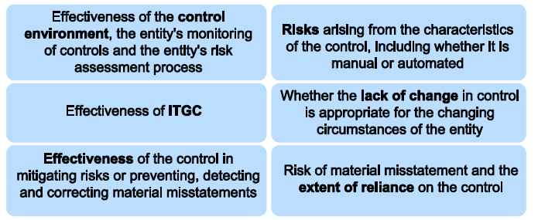

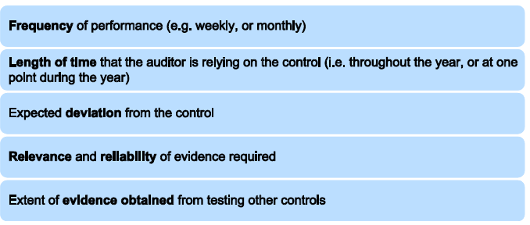

 | Frequency of the control operation. Weekly, monthly, annual
 | expected deviation
 | relevance and reliability of evidence required
 | evidence obtained from testing other controls

 | ISA 530 - Audit Sampling

 | Need to attend the stockcount and attending the count is the test of controls
 | when checking the inventory is rolled forward and included in the accounts is the substantive area of testing.

 | Have this table up for any questions on stockcounts. Tailor to question however.
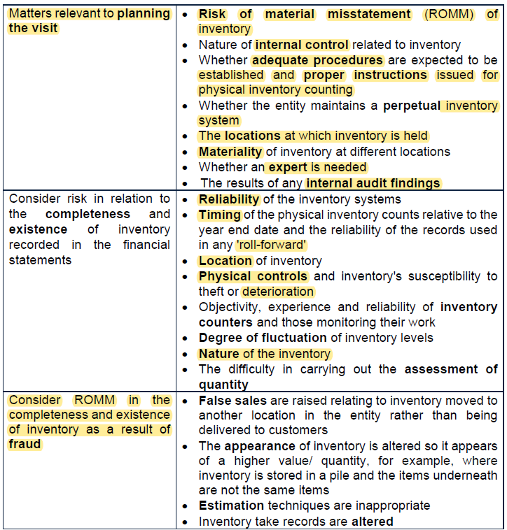

 |  |  |  |  |  |  | Higher the risk the more testing
 |  |  |  |  |  |  | lower the risk, the lessor the extent of testing

 |  |  |  |  |  |  | Any off site locations we need to verify or go and test.

 |  |  |  |  |  |  | ideally would do the count on YE date but not always possible so then would have to perform rollforward procedures

 |  |  |  |  |  |  | false sales where inventory just moved to another location rather than actually being sold.

 | description | Value £'000 | units | stores | % of inventory | average unit value
 | glasgow flagship store | 495 | 15,796 | 1 | 7% | £31.34
 | london flagship store | 756 | 24,390 | 1 | 10% | £31.00
 | online warehouse | 648 | 26,750 | 0 | 9% | £24.22
 | retail warehouse | 2,566 | 106,750 | 0 | 35% | £24.04
 | factory india | 1,064 | 44,330 | 0 | 15% | £24.00
 | other small outlets | 1,524 | 72,571 | 6 | 21% | £21.00
 | discount outlets | 252 | 18,745 | 2 | 3% | £13.44

 | total | 7,305 | 309,332 | 10

 | based on prior year audit finding we are going to attend the online warehouse count
 | retail warehouse as this holds the majority of the value of the stock (35%)
 | Indian warehouse as this is new. Overseas. The fact the firm may not have resource in India is no excuse. This should have been considered as part of continuance and acceptance procedures
 | London and Glasgow flagship stores. Inventory held at a higher value. Also consignment inventory held by other suppliers. There is a risk inventory owned by other company's is included in inventory. The risk here is around overstating inventory. So a count should her had
 | The two small outlet stores which were not stockcounted by the firm in there year will likley want to be visited.
 | lower carry cost in smaller shops and discounter so less risk of overstating inventory balances

 | cannot "gain coverage" from walkthroughs. Walkthrough are used to get a feel for the design of the control. Cannot be included in our test of controls

 | ISA 501 - when inventory is material -we must attend an inventory count

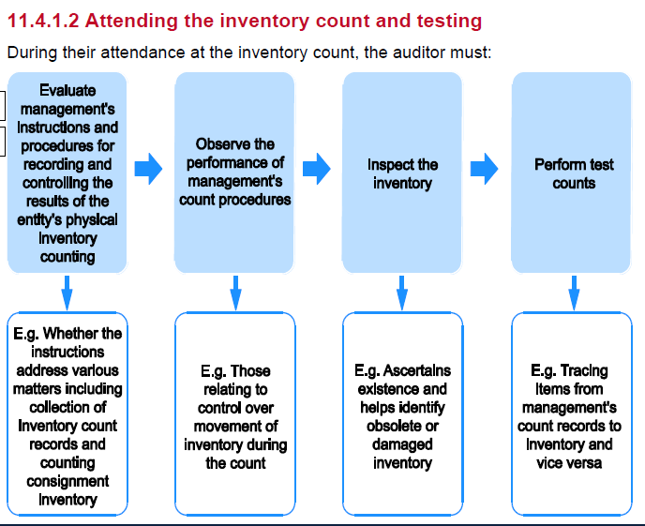

 | check existence and identify obsolete or damaged inventory
 | floor to sheet and sheet to floor

 | Example 14 | <<<<mainly about stating the obvious and not missing ny minor / basic steps out
 | Memo for how to assess inventory count processes
 | specific procedures fo rhow to carry out an inventory cout

 | Need policy documentation
 | copies of instructions handed out to staff involved in the count
 | review the policy docs. And instructions to identify the relevant controls
 | we can test the design and implementatoin and operating effectiveness of these controls when we attend the inventory count in person
 | controls to look out for
 | counters are familiar with the inventory being counted
 | staff should be breifed nad be familiar with procedures they are expected to carry out
 | ideally counters are not responsible for inventory movements
 | if counters are involved in movement processes then a second independent person should be involved
 | inventory sheets should be pre-numbered and issued ot counters in numbered quantities
 | an individual shoul dbe responsible for the the issue and return of inventory sheets
 | counters should sign sheet to verify counting and checking
 | inventory counting area should be organised and inventory items cleared differentiated such that items are only counted once each
 | any third party inventory should be physically segregated
 | damaged or obsolete inventoru should be identified and any unsealed boxes should be open
 | no inventory movement should take place during the count. If absoltely necessary - the mocing inventory should be segregated
 | spot checking and random sampling should be made by managers or checkers
 | any issues identified should be followed up immediately and inventory recounted where discrepencies exist
 | actual invenoty to sheet not sheet to inventory
 | techiniques for estimating inventory should be reviewed

 | Specific procedures to be carried out during attendance at counts
 | counters are knowledgeable but not those in charge of the custody of inventory - segregatoin of duteies
 | layout and id of invenotry to prevent double counting
 | movements during the count are controlled
 | damaged or slow moving is seperately identified
 | sampling is happending
 | spot checks
 | do a floor to sheet and sheet to floor
 | ensure adequate record are maintained of the count and that discrepencies are followed up and correctly adjusted in the inventory records and nominal ledger

